Cytonn vs SC shillingi Fund
ASPECT | Cytonn | SC Shillingi Fund

every deposit
Starting Minimum Investment | 100 | Ksh2,500.00
Top-up investment (Min) | 100 | Ksh1,000.00
Top-up investment (Max) |  | Ksh10,000.00
Admin Charge | 0 | 1%
Annual Management Fee | 1.50% | 1%
Witholding Tax | 15% | 15%
MMF Risk Profile |  | 0-1.6
Annualized Yield | 10.80% | 9.44%
Treasury Bills Benchmark Yield | 8.10% | 8.10%
Update: 31st Mar 2022
Update: 4th Feb 2022

REFERENCES
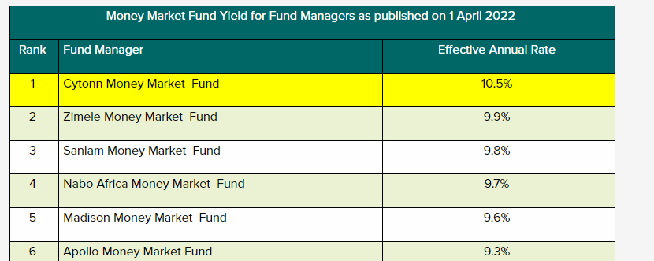
Thomas Mbaru | SC shilingi Funds LinkedIn
Cytonn Q'1 2022 Report | Cytonn Market Research

